Unit Test
Test Case ID | Test Case Description | Test Scenario | Created by | Date Tested | Test Data | Expected Results | Actual Results | Pass / Fail / Not executed / Suspended | Screenshot | Output | Remarks (if any)

AUTH_001 | Test the Login Functionality | 1. Verify on entering valid userid and password, the customer can login | Donal | 2025-10-06 | Userid = donalmathewpt@gmail.com Pass = 333333 | 1. Landing page should open | As Expected | Pass
AUTH_002 | Verify login failure with invalid password | 1. Navigate to the login page. 2. Enter a valid email. 3. Enter an invalid password. 4. Click the "Login" button. | Donal | 2025-10-06 | username: donalmathewpt@gmail.com Password: invalidpass | 1. User remains on the login page. 2. An error message indicating "Invalid credentials" or similar is displayed. 3. The #mainApp element remains hidden. | As Expected | Pass
AUTH_003 | Verify login failure with invalid username. | 1. Navigate to the login page. 2. Enter an invalid/non-existent email. 3. Enter any password. 4. Click the "Login" button. | Donal | 2025-10-06 | Username: nonexistent@user.com Password: anypassword | 1. User remains on the login page. 2. An error message indicating "User not found" or similar is displayed. | As Expected | Pass
AUTH_004 | Verify login failure with empty credentials. | 1. Navigate to the login page. 2. Leave username and password fields blank. 3. Click the "Login" button. | Donal | 2025-10-06 | Username: (empty) Password: (empty) | 1. User remains on the login page. 2. HTML5 validation messages appear on the input fields, or a general error message is shown. | As Expected | Pass
AUTH_005 | Verify the "Sign up" link reveals the signup form. | 1. Navigate to the login page. 2. Click the "Sign up" link. | Donal | 2025-10-06 | N/A | 1. The login form (#loginForm) is hidden. 2. The signup form (#signupForm) becomes visible. 3. The signup form contains fields for "Full Name", "Email", and "Password". | As Expected | Pass
AUTH_006 | Verify the "Login" link on the signup view reveals the login form. | 1. Navigate to the login page. 2. Click the "Sign up" link. 3. Click the "Login" link. | Donal | 2025-10-06 | N/A | 1. The signup form (#signupForm) is hidden. 2. The login form (#loginForm) becomes visible again. | As Expected | Pass | 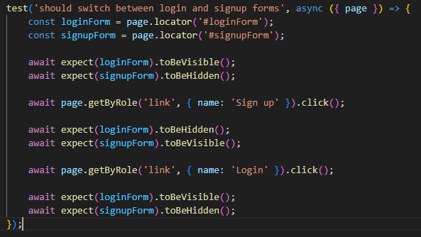
AUTH_007 | Verify Full Name Section works as intended | 1. Navigate to the login page. 2. Click the "Sign up" link. 3. Click on "Full Name" box. | Donal | 2025-10-06 | Full Name: Test User | 1. The user can enter his Full Name into respective section. | As Expected | Pass
AUTH_008 | Verify successful new user account creation (Signup). | 1. Navigate to the signup form. 2. Fill in all required fields with valid, unique data. 3. Click the "Create Account" button. | Donal | 2025-10-06 | Full Name: Test User Email: (a new, unused email) Password: securepass123 | 1. The user is either automatically logged in and redirected to the dashboard, OR redirected to the login page with a success message. | As Expected | Pass
AUTH_009 | Verify signup failure with an already registered email. | 1. Navigate to the signup form. 2. Enter an email address that is already registered. 3. Fill in other fields. 4. Click the "Create Account" button. | Donal | 2025-10-06 | Email: donalmathewpt@gmail.com (other data can be anything) | 1. The user remains on the signup page. 2. An error message is displayed, indicating that the email is already in use. | As Expected | Pass
AUTH_010 | Verify password field masks input. | 1. Navigate to the login page. 2. Type text into the password field. | Donal | 2025-10-06 | Password: testpassword | 1. The characters entered into the password field are obscured (displayed as dots or asterisks). The input element type should be password. | As Expected | Pass
LOG_011 | Verify successful user logout. | 1. Log in to the application. 2. Click the "Logout" link in the sidebar. | Donal | 2025-10-06 | Userid = donalmathewpt@gmail.com Pass = 333333 | 1. The main application dashboard is hidden. 2. The user is redirected back to the login page (#loginPage is visible). | As Expected | Pass
LOG_012 | Verify Dashboard heading and Upload section is visible | 1. Log in to the application. | Donal | 2025-10-06 | N/A | 1. The main heading "Training Feedback Analyzer" is visible. 2. The file upload section is visible. | As Expected | Pass
LOG_013 | Verify Analyze Feedback section is visible and Analysis Section is hidden | 1. Log in. | Donal | 2025-10-06 | N/A | 1. The "Analyze Feedback" button is visible. 2. The "Analysis Results" section is hidden. | As Expected | Pass
LOG_014 | Verify UI feedback when a valid file is selected for upload. | 1. Log in. 2. Upload a valid Excel file. | Donal | 2025-10-06 | A valid `.xlsx` file named `template.xlsx`. | 1. The name of the selected file (`template.xlsx`) is displayed on the page within the `#fileInfo` element. | As Expected | Pass
LOG_015 | Verify file upload via drag-and-drop is allowed | 1. Log in. 2. Upload a valid Excel file. | Donal | 2025-10-06 | A valid `.xlsx` file named `template.xlsx`. | 1. The name of the selected file (`template.xlsx`) is displayed on the page within the `#fileInfo` element. | As Expected | Pass | 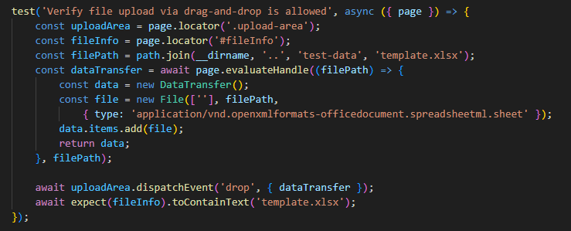
LOG_016 | Verify the "Analyze Feedback" button becomes enabled after a file is selected. | 1. Log in. 2. Observe the "Analyze Feedback" button. 3. Select a valid Excel file. | Donal | 2025-10-06 | A valid `.xlsx` file. | 1. Initially, the button should be disabled (if implemented). 2. After a file is selected, the "Analyze Feedback" button becomes enabled. | As Expected | Pass
LOG_017 | Verify that the analysis results section appears after analyzing a valid file. | 1. Log in. 2. Select a structurally valid Excel file. 3. Click the "Analyze Feedback" button. | Donal | 2025-10-07 | A valid `.xlsx` file with headers and data. | 1. The "Analysis Results" section (`#analysisSection`) becomes visible. 2. The heading "Analysis Results" is displayed. 3. No error messages related to file processing are shown. | As Expected | Pass
LOG_018 | Verify that an error is shown for an invalid file type (e.g., .txt). | 1. Log in. 2. Attempt to upload a file that is not `.xlsx` or `.xls`. | Donal | 2025-10-07 | A sample `.txt` or `.jpg` file. | 1. An error message is displayed on the UI, indicating that the file type is invalid. 2. The `#analysisSection` remains hidden. | As Expected | Pass
LOG_019 | Verify that an error is shown for a structurally invalid spreadsheet (e.g., empty). | 1. Log in. 2. Upload an `.xlsx` file that is empty or has no headers. 3. Click the "Analyze Feedback" button. | Donal | 2025-10-07 | An empty or headerless `.xlsx` file. | 1. An error message is displayed, such as "File must contain headers and at least one data row". 2. The `#analysisSection` remains hidden. | As Expected | Pass
LOG_020 | Verify the state of the sidebar menu on the dashboard. | 1. Log in. | Donal | 2025-10-07 | N/A | 1. The "Dashboard" menu item has the `active` class. 2. The "Edit Questions" menu item does not have the `active` class. | As Expected | Pass
LOG_021 | Verify navigation from Dashboard to Edit Questions page. | 1. Log in. 2. Click the "Edit Questions" link in the sidebar. | Donal | 2025-10-07 | N/A | 1. The user is navigated to the `edit.html` page. 2. The URL in the browser changes to include `edit.html`. 3. The "Edit Questions" menu item in the sidebar now has the `active` class. | As Expected | Pass
LOG_022 | Verify that the button "Generate PDF Reports" is clickable. | 1. Log in. 2. Analyze a valid file. 3. Click the "Generate PDF Reports" button. | Donal | 2025-10-07 | A valid `.xlsx` file. | 1. The progress bar (`#progress`) becomes visible. 2. The text "Generating reports..." appears. | As Expected | Pass
LOG_023 | Verify logout is possible from Dashboard page | 1. Log in. 2. Click on Logout | Donal | 2025-10-08 | N/A | 1. The user gets logged out. | As Expected | Pass
ED_024 | Verify Heading in Edit Questions page is visible | 1. Log in. 2. Navigate to Edit Questions Page. | Donal | 2025-10-08 | N/A | 1. Heading is visible | As Expected | Pass
ED_025 | Verify the list of questions on page load is displayed | 1. Log in. 2. Navigate to Edit Questions Page. | Donal | 2025-10-08 | N/A | 1. List of Questions is vsible | As Expected | Pass
ED_026 | Verify default text in First Question | 1. Log in. 2. Navigate to Edit Questions Page. | Donal | 2025-10-08 | N/A | 1. Default text in First Question is verified. | As Expected | Pass
ED_027 | Verify editing the text of a question is allowed | 1. Log in. 2. Navigate to Edit Questions Page. | Donal | 2025-10-08 | New Question | 1. Text box is clicked. 2. New Question entered. 3. New Question verified. | As Expected | Pass
ED_028 | Verify Save-Changes button is clickable | 1. Log in. 2. Navigate to Edit Questions Page. 3. Click on Save-Changes Button. | Donal | 2025-10-08 | N/A | 1. Save-changes button is clicked. | As Expected | Pass
ED_029 | Verify a success message is shown after saving changes | 1. Log in. 2. Navigate to Edit Questions Page. 3. Click on Save-Changes Button. | Donal | 2025-10-08 | N/A | 1. Success message is shown that disappears after 3 seconds. | As Expected | Pass |  |  | The "Success Message" appears and disappears at any 3 second time-window. The test will only pass in debug mode.
ED_030 | Verify changes persist after saving and reloading | 1. Log in. 2. Navigate to Edit Questions Page. 3. Change Question. 3. Click on Save-Changes Button. 4. Page is reloaded. 5. The changed question is verified to contain the new question. | Donal | 2025-10-08 | New Question | 1. Changes persist even after reloading. | As Expected | Pass
ED_031 | Verify navigating back to dashboard from sidebar is possible | 1. Log in. 2. Navigate to Edit Questions Page. 3. Click on Dashboard | Donal | 2025-10-08 | N/A | 1. Navigation to Dashboard is possible | As Expected | Pass
ED_032 | Verify logout from Edit questions page is possible | 1. Log in. 2. Navigate to Edit Questions Page. 3. Click on Logout. | Donal | 2025-10-08 | N/A | 1. Navigation to Logout is possible | Not As Expected | Fail |  | 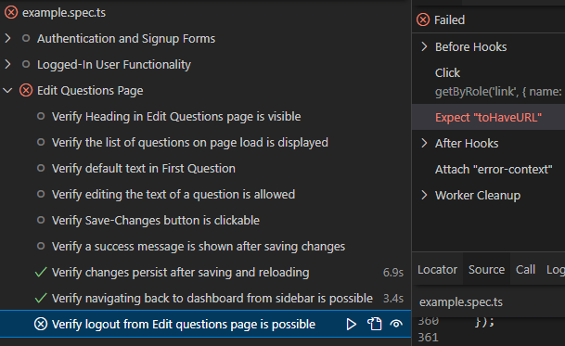
API_033 | Mock failed login API response - wrong password | 1. Navigate to the login page. 2. Enter a any email. 3. Enter an any password. 4. Click the "Login" button. | Donal | 2025-10-16 | "Username: nonexistent@user.com Password: anypassword" | 1. Login API returns 400 INVALID_PASSWORD on POST 2. A dialog box appears with message: "Invalid credentials" | As Expected | 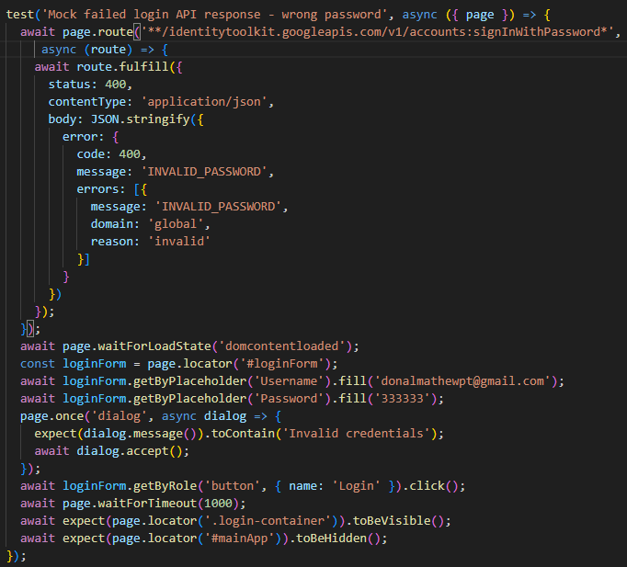 Pass
API_034 | Mock successful login API response | 1. Navigate to the login page. 2. Enter a any email. 3. Enter an any password. 4. Click the "Login" button. | Donal | 2025-10-16 | "Username: nonexistent@user.com Password: anypassword" | 1. Login API returns 200 on POST 2. Home Page Appears. | As Expected | Pass | 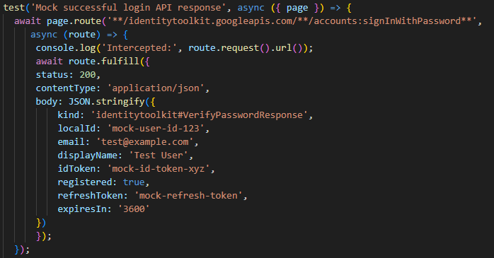 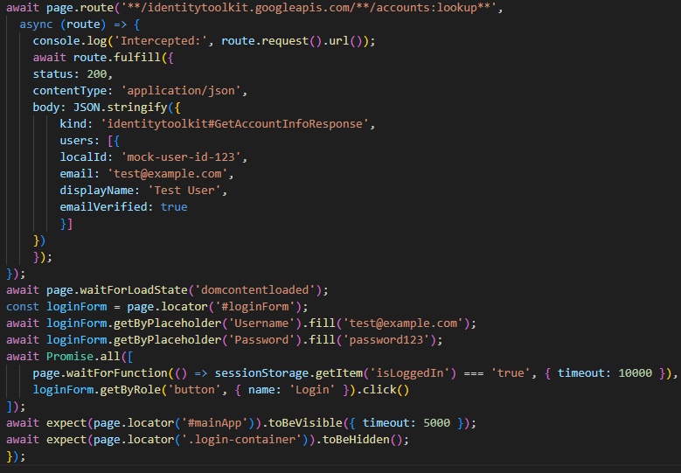
API_035 | Verify Multi-Trainer questions are successfully fetched by the app. (Mock fetching multi-trainer questions from Firebase) | 1. Log in. 2. Navigate to Edit Questions Page. | Donal | 2025-10-16 | N/A | 1. Mock Questions are displayed. | As Expected | Pass | 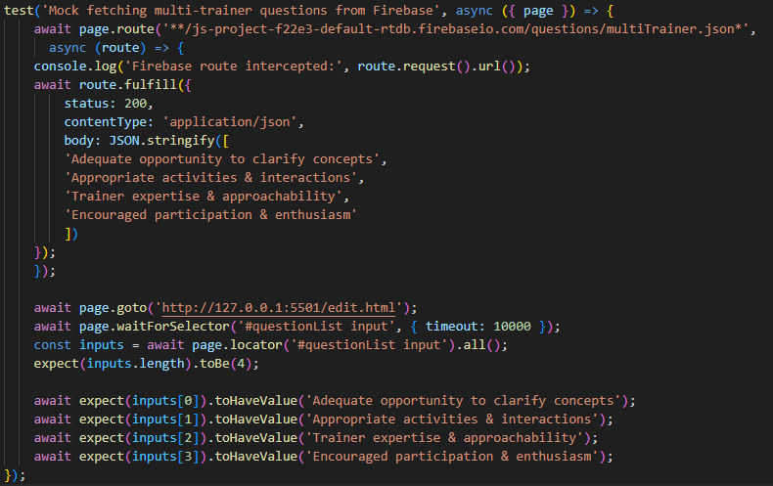 |  | 1. Developer used Firebase SDK. 2. SDK uses WebSockets, we won't see any REST request like ".../questions/multiTrainer.json". 3. We cannot modify or mock what the server sends through that WebSocket, using Playwright. 4. So I replaced the getMultiTrainerQuestions(), to use REST Fetch Instead of Firebase SDK during the testing.

